Plan and Burndown
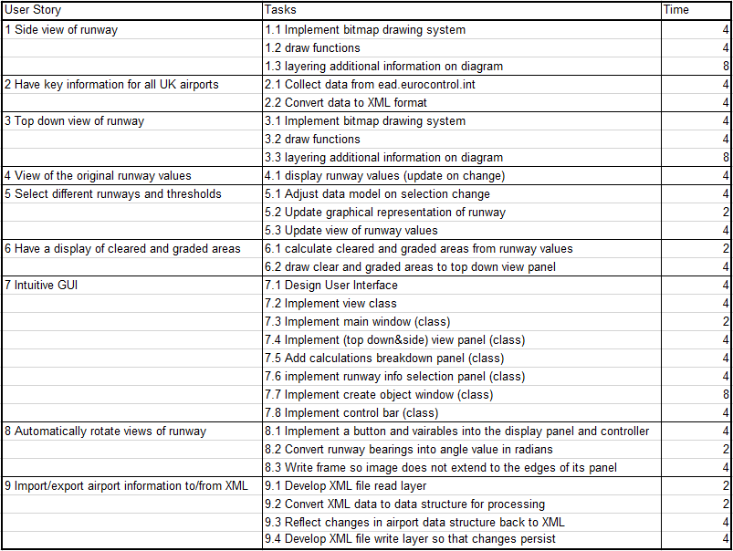
User Story | T Shirt Size | Task | Day 1 | Day 2 | Day 3 | Day 4 | Day 5 | Day 6 | Total Story Time Remaining | Day | Work Left (Hours)
Story 1 | M | Task 1.1 | 4 |  |  |  |  |  | 16 | 1 | 116
 |  | Task 1.2 | 4 |  |  |  |  |  |  | 2
 |  | Task 1.3 | 8 |  |  |  |  |  |  | 3
Story 2 | S | Task 2.1 | 4 |  |  |  |  |  | 8 | 4
 |  | Task 2.2 | 4 |  |  |  |  |  |  | 5
Story 3 | M | Task 3.1 | 4 |  |  |  |  |  | 16 | 6 | 0
 |  | Task 3.2 | 4
Sprint 1 Burndown Chart
 | 116
 | 0
 |  | Task 3.3 | 8
Story 4 | S | Task 4.1 | 4 |  |  |  |  |  | 4
Story 5 | M | Task 5.1 | 4 |  |  |  |  |  | 10
 |  | Task 5.2 | 2
 |  | Task 5.3 | 4
Story 6 | S | Task 6.1 | 2 |  |  |  |  |  | 6
 |  | Task 6.2 | 4
Story 7 | L | Task 7.1 | 4 | 3 |  |  |  |  | 34
 |  | Task 7.2 | 4
 |  | Task 7.3 | 2
 |  | Task 7.4 | 4
 |  | Task 7.5 | 4
 |  | Task 7.6 | 4
 |  | Task 7.7 | 8
 |  | Task 7.8 | 4
Story 8 | M | Task 8.1 | 4 |  |  |  |  |  | 10
 |  | Task 8.2 | 2
 |  | Task 8.3 | 4
Story 9 | M | Task 9.1 | 2 |  |  |  |  |  | 12
 |  | Task 9.2 | 2
 |  | Task 9.3 | 4
 |  | Task 9.4 | 4

